Sheet1
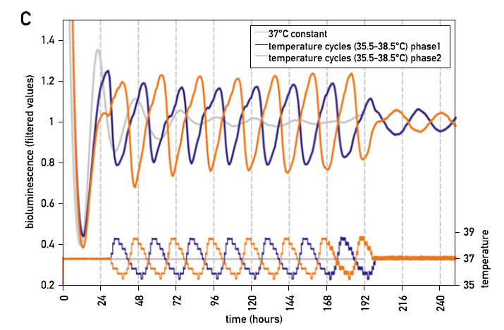
Blue curve
time (h) | Converted time (h) | PER2
42 | 12 | 0.98
51 | 21 | 1.19
54 | 24 | 1.01
58 | 28 | 0.8
74 | 44 | 1.17
78 | 48 | 1.05
83 | 53 | 0.8
98 | 68 | 1.16
102 | 72 | 1.04
107 | 77 | 0.79
122 | 92 | 1.17
126 | 96 | 1.01
131 | 101 | 0.79
138 | 108 | 1.03
146 | 116 | 1.18
150 | 120 | 1.01
156 | 126 | 0.79
162 | 132 | 1.01
170 | 140 | 1.19
174 | 144 | 1.01

